Visual representation
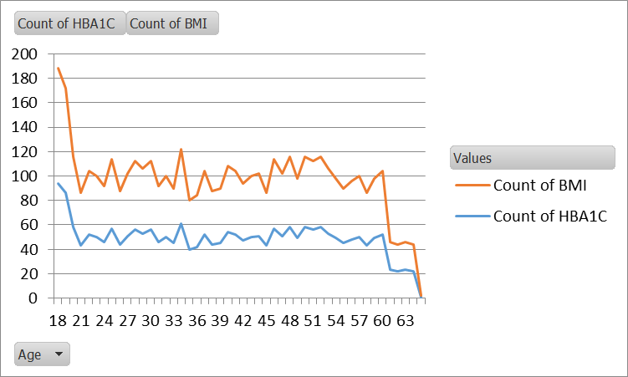
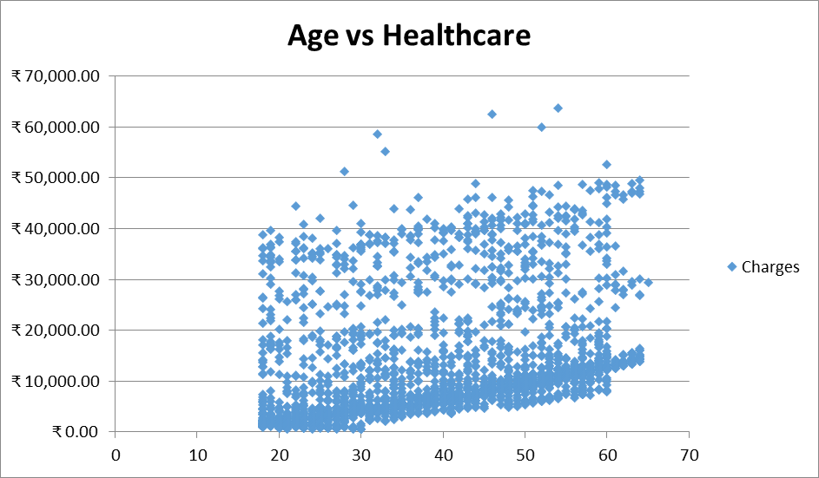
 |  |  |  |  | Analysis using Pie/Donut Chart:

1 | Distribution of cancer history among smokers and non-smokers |  |  |  |  |  |  | 2 | Total number of major surgeries and average HbA1C differ between patients with and without a history of transplants

 | Customer ID | Cancer |  | Grand Total |  |  |  |  |  | Transplants | Sum of Number of Major surgeries | Average of HBA1C
 | Smokers | No | Yes |  |  |  |  |  |  | No | 1417 | 6.67
 | No | 1540 | 307 | 1847 |  |  |  |  |  | yes | 162 | 5.19
 | Yes | 404 | 84 | 488 |  |  |  |  |  | Grand Total | 1579 | 6.58
 | Grand Total | 1944 | 391 | 2335

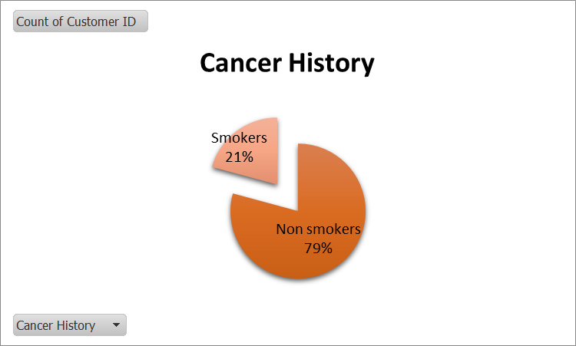
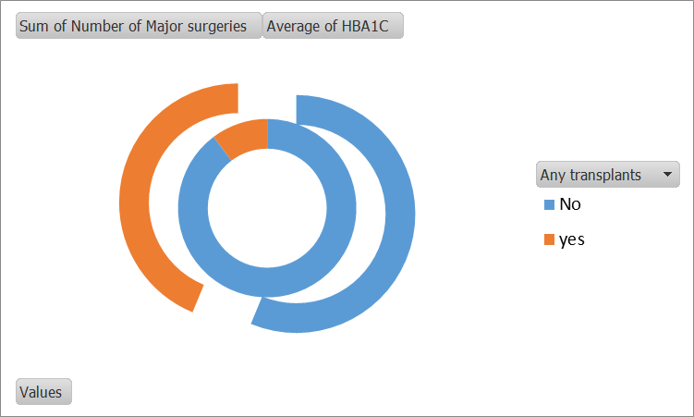

 |  |  |  |  |  | Analysis using Column/Bar Chart:

3 | Healthcare charges vary based on different weight statuses and diabetes statuses |  |  |  |  |  |  |  |  | 4 | The average charges for each hospital tier within different states

 | Weight Status | Diabetes status |  |  |  |  |  | Total Sum | Total Average |  | tier - 1 | 30129.198586
 |  | Above Diabetes |  | Normal |  | Prediabetes |  |  |  |  | tier - 2 | 11873.619753
 |  | Sum | Average | Sum | Average | Sum | Average |  |  |  | tier - 3 | 9462.2693074
 | Healthy Weight | 1726354.48 | 12509.815072 | 1674180.51 | 7897.0778774 | 841586.97 | 10389.962593 | 4242121.96 | 9842.510348 |  | tier-2 | 700
 | Obesity | 8348186.91 | 19103.40254 | 8539194.32 | 15140.415461 | 3612138.94 | 15502.742232 | 20499520.17 | 16612.252974 |  | Grand Total | 13529.918034
 | Over Weight | 2166322.24 | 13886.681026 | 2459264.37 | 10376.642911 | 1010849.99 | 10008.415743 | 5636436.6 | 11409.790688
 | Under Weight | 490046.85 | 7424.9522727 | 566702.46 | 6911.0056098 | 157530.57 | 5626.0917857 | 1214279.88 | 6899.3175
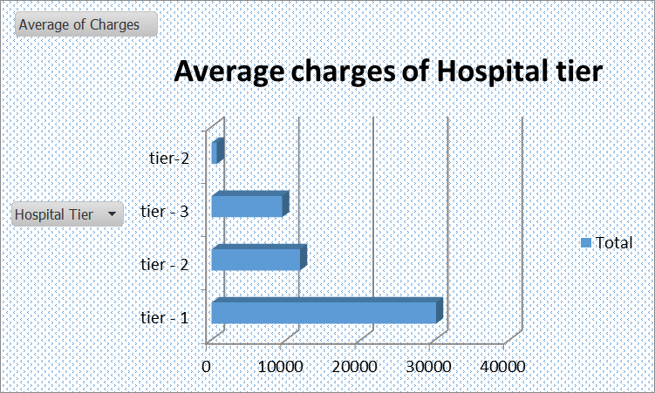
 | Grand total | 12730910.48 | 15973.538871 | 13239341.66 | 12090.722977 | 5622106.47 | 12690.98526 | 31592358.61 | 13529.918034

 | Weight status Bar chart |  |  |  |  | Diabetes Status Bar chart

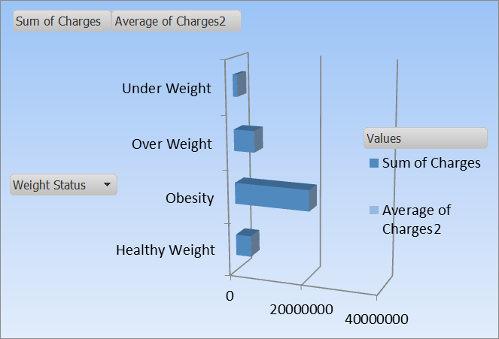
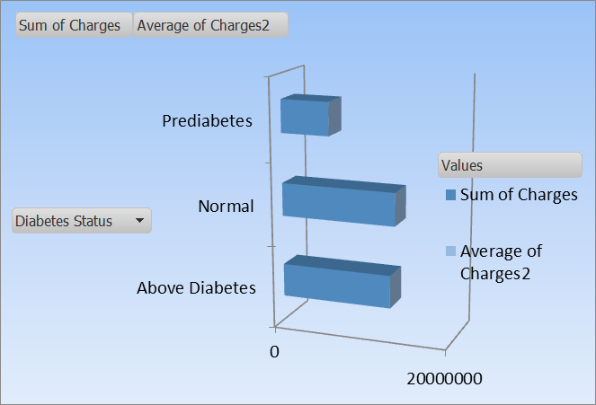

 |  |  |  |  |  | Analysis using Line/Scatter Plot

5 | Correlation between age and both BMI and HbA1C in the dataset |  |  |  |  |  | 6 | Relationship between age and healthcare charges.

